1. Title Page
[Instacart Basket Analysis]

Project Name: Instacart Basket Analysis
Date: December 12th,2023.
Analyst Name: Arushi Lalwani

Contents:
Population Flow
Consistency checks
Wrangling steps
Column derivations
Visualizations
Recommendations

Citation: "The Instacart Online Grocery Shopping Dataset 2017", Accessed from www.instacart.com/datasets/grocery-shopping-2017 via Kaggle on 1 November 2023

Additional note:-The customer data explored in Exercises 4.9 and 4.10, as well as the “prices” column in the products data set, were both fabricated for the purpose of this course

2. Population Flow
 |  | Title page

Population flow

Exclusion flag
Condition: max_order <
Obervations to be removed:
Final total count of order_products_all:

Orders_products_combined
Orders_products_merged
Orders_products_all

Total:
Total:32434489,11
Total:
32404859,16 | 32404859,37

1.) The grey boxes in the first row of the population flow represent the original data sets as they were when you downloaded them. In the Total fields you need to add the count of the rows when you imported the data set into Jupyter.
2.) The second row of boxes (coloured) represents the data sets after you manipulated them, e.g., removed missing values and duplicates. In the Total fields you need to add the count of the rows after conducting these operations. This offers a visual oveview of how the data flows throughout the data consistency checks.
3.) The third row, where also the arrows are coloured, represents the merges you performed between the datasets. In the Total fields you need to add the count of the rows in the merged datasets, so that you end up with the final dataset (in the red box). Keep in mind the final dataset should be without exclusions (based on the exclusion flag).

3. Consistency checks
 |  |  |  | Title page
Consistency checks

Dataset | Missing values | Missing values treatment | Duplicates
orders | There are 206209 missing values in ' days_since_prior_order'. | No action required since the order_no of each of these customers is 1. | No duplicates were found.
products | Product names has 16 missing values. | The missing values here are product names, which are strings. String values can’t be imputed like numeric values so I decided to remove the missing values. | 5 Duplicates found and removed.
orders_products_prior | No values are missing. | No missing values to be treated. | No duplicates found.
customers | In the first_name column, there are 11259 NaN values |  | No duplicates found.

4. Wrangling steps
 |  |  |  | Title page
Wrangling steps

Columns dropped | Columns renamed | Columns' type changed | Comment/Reason
Eval_Set |  |  | Irrelevant for the analysis
 | Surname |  | Mispealled and changed it to lowercase
 | First Name |  | Removed the space between the two and also changed it to lower case
 | STATE |  | Changed it to lower case
 | Gender |  | Changed it to lower case
 | Age |  | Changed the first letter 'G' to lower case
 | fam_status |  | Changed it to more meaningful column name,marital status
 | n_dependants |  | Changed it to more meaningful column name,no.of dependants

 |  | User_id | Changed from an integer to string

first_name |  |  | PII
surname |  |  | PII

5. Column derivations
 |  |  |  | Title page

Column derivations and aggregations

In this tab you should add tables below that the frequences of flags/label variables that you produced after deriving them. NB: don't do this for continuous variables, only for flags.
Dataset | New column | Column/s it was derived from | Conditions
orders_products_merged.pkl | price_label | prices | if row['prices'] <= 5: return 'Low range product' elif (row['prices'] > 5) and (row['prices'] <= 15): return 'Mid range product' elif row['prices'] > 15: return 'High range product' else: return np.nan
orders_products_merged.pkl | price_range_loc | prices | df.loc[df['prices'] > 15, 'price_range_loc'] = 'High range product' df.loc[df['prices'] > 15, 'price_range_loc'] = 'High range product' df.loc[(df['prices'] <= 15) & (df['prices'] > 5), 'price_range_loc'] = 'Mid range product' df.loc[df['prices'] <= 5, 'price_range_loc'] = 'Low range product'
orders_products_merged.pkl | busiest_day | order_dow | result = [] for value in ords_prods_merged["order_dow"]: if value == 0: result.append("Busiest day") elif value == 4: result.append("Least busy") else: result.append("Regularly busy")
orders_products_merged.pkl | Busiest_period_of_day | order_hour_of_day | df_ords_prods_merge.loc[(df_ords_prods_merge['order_hour_of_day'] >= 8) & (df_ords_prods_merge['order_hour_of_day'] <= 16), 'busiest_period_of_day'] = 'Most orders' df_ords_prods_merge.loc[(df_ords_prods_merge['order_hour_of_day'] > 16) & (df_ords_prods_merge['order_hour_of_day'] <= 20), 'busiest_period_of_day'] = 'Average orders' df_ords_prods_merge.loc[((df_ords_prods_merge['order_hour_of_day'] > 20) | (df_ords_prods_merge['order_hour_of_day'] < 8)), 'busiest_period_of_day'] = 'Fewest orders'
orders_products_merged_updated | loyalty flag | max_order | ords_prods_merge.loc[ords_prods_merge['max_order'] > 40, 'loyalty_flag'] = 'Loyal customer' ords_prods_merge.loc[(ords_prods_merge['max_order'] <= 40) & (ords_prods_merge['max_order'] > 10), 'loyalty_flag'] = 'Regular customer' ords_prods_merge.loc[ords_prods_merge['max_order'] <= 10, 'loyalty_flag'] = 'New customer'df_ords_prods_merge.loc[df_ords_prods_merge['max_order'] > 40, 'loyalty_flag'] = 'Loyal customer' df_ords_prods_merge.loc[(df_ords_prods_merge['max_order'] <= 40) & (df_ords_prods_merge['max_order'] > 10), 'loyalty_flag'] = 'Regular customer' df_ords_prods_merge.loc[df_ords_prods_merge['max_order'] <= 10, 'loyalty_flag'] = 'New customer'
orders_products_merged_updated | average_price | user_id & prices | ords_prods_merge['average_price'] = ords_prods_merge.groupby(['user_id'])['prices'].transform(np.mean)
orders_products_merged_updated | spending_flag | average_prices | # creating "Spending_flag" for average price < 10 as low spender df_ords_prods_merge.loc[df_ords_prods_merge['spenders'] < 10 ,'Spending_Flag'] = 'Low spender' df_ords_prods_merge.loc[df_ords_prods_merge['spenders'] >= 10 ,'Spending_Flag'] = 'High spender' ords_prods_merge.loc[ords_prods_merge['average_price'] >= 10, 'spending_flag'] = 'High spender'
orders_products_merged_updated | median orders | user_id & days_since_prior_order | ords_prods_merge['median_orders'] = ords_prods_merge.groupby(['user_id'])['days_since_prior_order'].transform(np.median)
orders_products_merged_updated | order_frequency_flag | median_orders | df_ords_prods_merge['order_frequency_flag'] = 'Non-frequent customer' df_ords_prods_merge.loc[df_ords_prods_merge['median_days_since_prior_order'] > 10, 'order_frequency_flag'] = 'Regular customer' df_ords_prods_merge.loc[df_ords_prods_merge['median_days_since_prior_order'] <= 10, 'order_frequency_flag'] = 'Frequent customer'
orders_products_customer_merge.pkl | region | state | result = [] for value in df_merged_large["state"]: if value == 'Maine' or value == 'New Hampshire' or value == 'Vermont' or value == 'Massachusetts' or value == 'Rhode Island' or value == 'Connecticut' or value == 'New York' or value == 'Pennsylvania' or value == 'New Jersey': result.append("Northeast") elif value == 'Wisconsin' or value == 'Michigan' or value == 'Illinois' or value == 'Indiana' or value == 'Ohio' or value == 'North Dakota' or value == 'South Dakota' or value == 'Nebraska' or value == 'Kansas' or value == 'Minnesota' or value == 'Iowa' or value == 'Missouri': result.append("Midwest") elif value == 'Delaware' or value == 'Maryland' or value == 'Distinct of Columbia' or value == 'Virginia' or value == 'West Virginia' or value == 'North Carolina' or value == 'South Caroline' or value == 'Georgia' or value == 'Florida' or value == 'Kentucky' or value == 'Tennessee' or value == 'Mississippi' or value == 'Alabama' or value == 'Oklahoma' or value == 'Texas' or value == 'Arkansas' or value == 'Louisiana': result.append("South") else: result.append("West")
orders_products_customer_merge.pkl | age_group | age | df_merged_large.loc[(df_merged_large['age'] >= 18) & (df_merged_large['age'] <= 30), 'age_flag'] = 'Young' df_merged_large.loc[(df_merged_large['age'] > 30) & (df_merged_large['age'] <= 45), 'age_flag'] = 'Middle Aged' df_merged_large.loc[(df_merged_large['age'] > 45) & (df_merged_large['age'] <= 60), 'age_flag'] = 'Older Adult' df_merged_large.loc[(df_merged_large['age'] > 60), 'age_flag'] = 'Senior'
orders_products_customer_merge.pkl | income_level | income | # Create the flag based on the criteria df_merged_large.loc[df_merged_large['avg_income'] > 128000, 'income_flag'] = 'High income' df_merged_large.loc[(df_merged_large['avg_income'] <= 128000) & (df_merged_large['avg_income'] > 67000), 'income_flag'] = 'Middle income' df_merged_large.loc[df_merged_large['avg_income'] <= 67000, 'income_flag'] = 'Low income'

6. Visualizations
 |  |  | Title page

Visualisations

In this tab you should include all the visualtions from Exercises 4.9 and 4.10, alongside the questions from the project brief that they answer. Include any commentary on the relationship between different variables.

Determine whether there’s a difference in spending habits between the different U.S. regions.

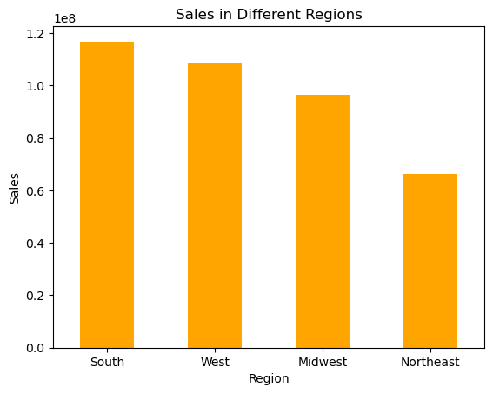
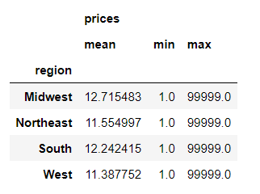
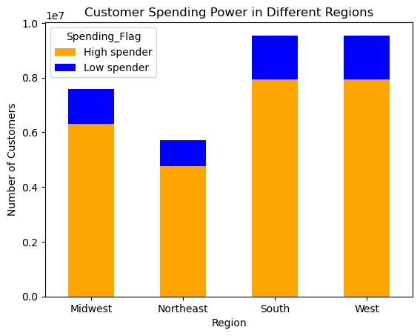

Ordering trends by Regions:
Sales: The 'South' region stood out with the highest sales contribution.
Customer spending power across different regions showed no significant variation.
The count of 'High spender' customers was consistently low nationwide.

What’s the distribution among users in regards to their brand loyalty (i.e., how often do they return to Instacart)?

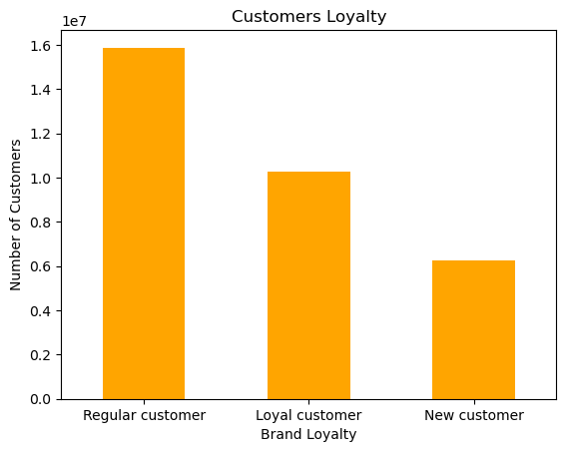
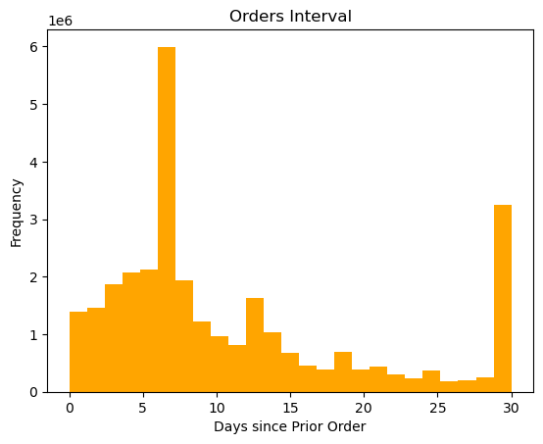

Most of our customers are either 'Regular' or 'Loyal'. They tend to shop again approximately every 6 days.

Are there differences in ordering habits based on a customer’s loyalty status?

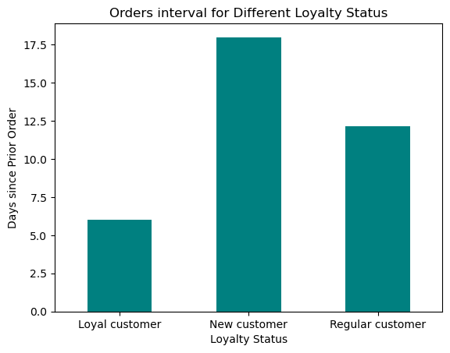
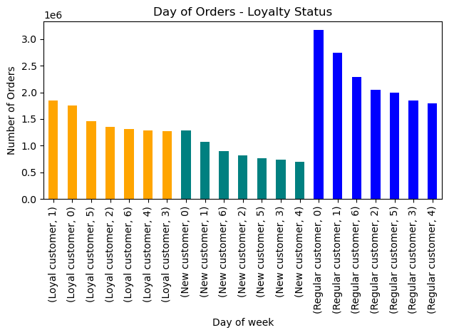

Is there a connection between age and family status in terms of ordering habits?

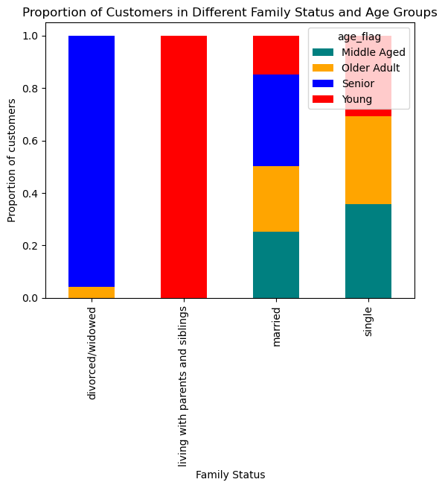

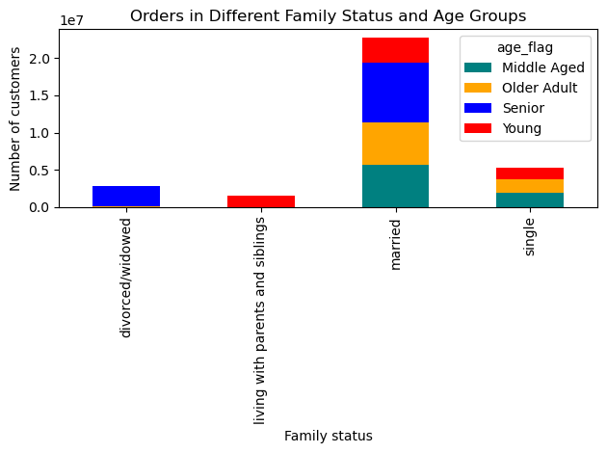

Instacart has a lot of products with different price tags. Marketing and sales want to use simpler price range groupings to help direct their efforts.

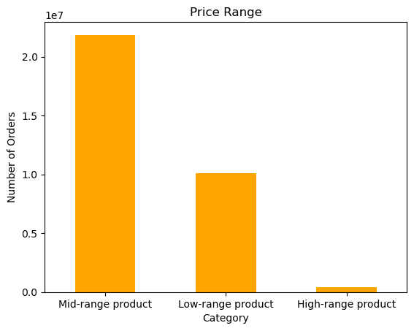

Price range groups were as follows:
prices <= 5: 'Low range product'
price > 5 and <= 15: 'Mid range product'
price >15: 'High range product'

Are there certain types of products that are more popular than others? The marketing and sales teams want to know which departments have the highest frequency of product orders.

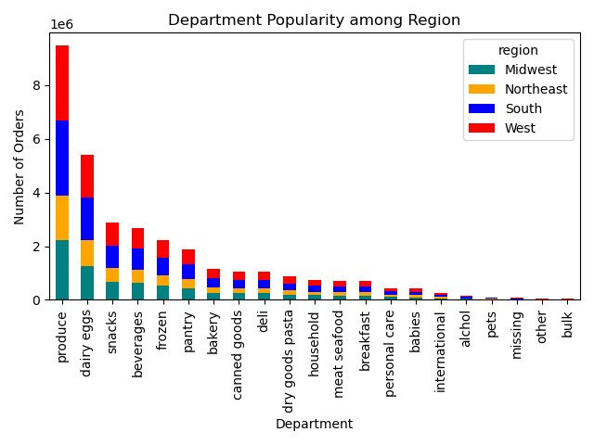
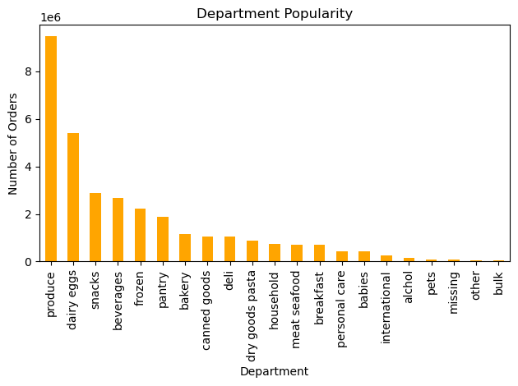

Regardless of the region,age, icome or family status, the "produce" department consistently ranks as the most popular, indicating a universal preference for fresh and perishable goods among customers.

Department 'produce' was the most popular amongst all the departments followed by 'dairy eggs' and 'snacks' in the 2nd and 3rd place.

ordering habit - which days of the week had most orders (Region-wise)?

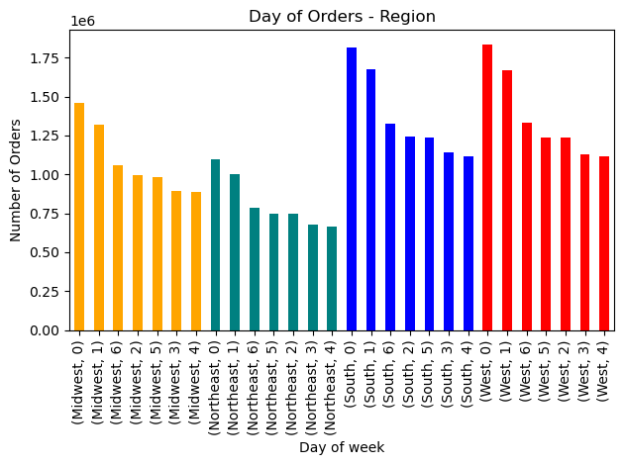

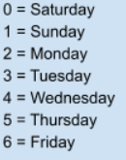
Highest number of orders are placed on Saturday and Sunday, thus confirming that the majority of orders are on weekends.

Is there a connection between age and family status in terms of ordering habits?

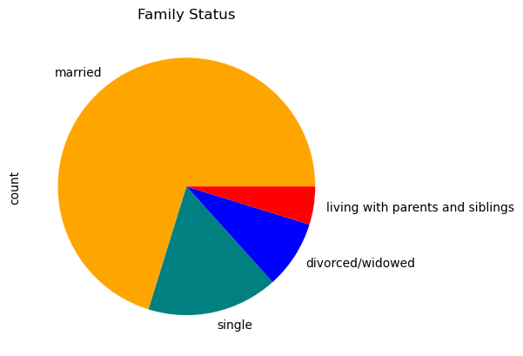

The majority of our customers are married, with single customers ranking second, followed by divorced and widowed individuals. A small segment of our customers resides with parents and siblings.

whether there are particular times of the day when peoplespend the most money, as this might inform the type of products they advertise at these times.

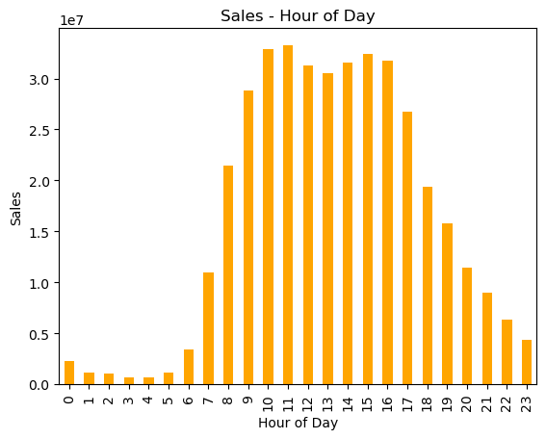
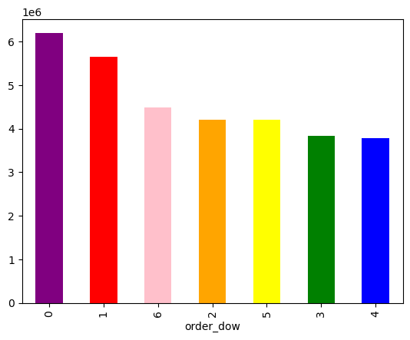

People spent the most money at 11 am.
Sales were significantly high between 10 am to 4 pm.
The bar chart, 'Orders Day of Week illustrations that the highest number of orders placed is that of Saturday and Sunday, thus confirming that the majority of orders placed are on the weekends

Question 5 & Question 6: What different classifications does the demographic information suggest? Age? Income? Certain types of goods? Family status? & What differences can you find in ordering habits of different customer profiles? Consider the price of orders, the frequency of orders, the products customers are ordering, and anything else you can think of.

 | Income

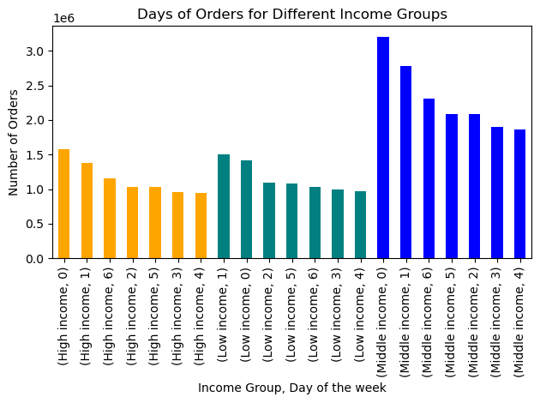



Saturday (0) and Sunday (1) consistently recorded the highest number of orders across all income groups.
There was a noticeable shift at the age of 40, with customers over this age demonstrating significantly higher spending power.

 |  | Ordering habits of different customer profiles

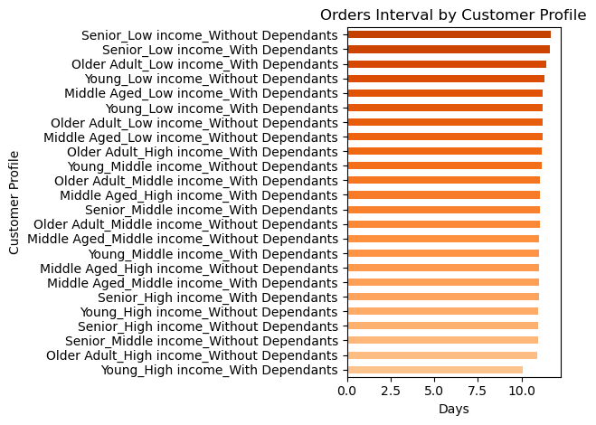
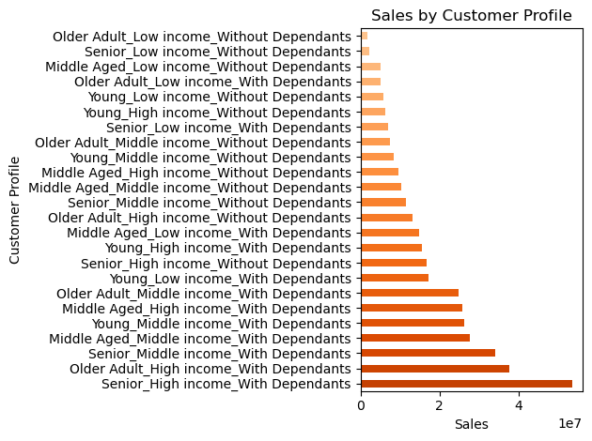

Ordering habits based on family status: Even though customers with dependents contributed more to sales, those without dependents exhibited shorter order intervals, indicating more frequent revisits and purchases.

7. Recommendations
 |  |  | Title page

Recommendations

In this tab you should include any recommendations you would made to Instcart in terms of their marketing strategy based on the questions posed in the brief. Every key question has been covered in the Tasks of the Exercises - here you need to add an item - a visualisation or table/crosstable that is showing the answer in the data, acompanied by a comment from you. Please, list the questions below and add the answer underneath.

Key Questions

Orders Hour of Day
Question | Answer | Graph
The sales team need to know what the busiest days of the week and hours of the day are (i.e., the days and times with most orders) in order to schedule ads at the time when there are fewer orders | People spent the most money at 11 am.Sales were significantly high between 10 am to 4 pm. And as shown in the previous slide,highest number of orders are placed on Saturday and Sunday, thus confirming that the majority of orders are on weekends

Is there a particular time of the day when people spend the most money, as this might inform the type of products they advertise at these times | The hourly line chart illustrates a peak in the purchase of more expensive items around 4 am, contrasting with a preference for less expensive items at 5 am. Additionally, orders made on weekends tend to exhibit higher prices compared to weekdays, where prices remain relatively stable. To promote the most expensive items effectively, the sales team could consider strategic advertising during the weekend, particularly around 4 am. | 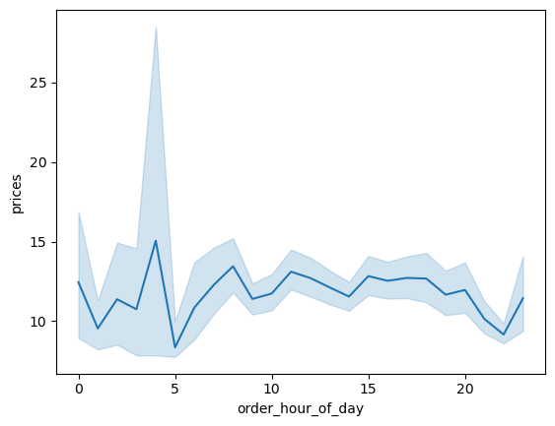

Instacart has a lot of products with different price tags. Marketing and sales want to use simpler price range groupings to help direct their efforts | The majority of sales are attributed to mid-range products ($5 - $15), representing approximately 65% of total orders. Consequently, it is highly advisable to focus a significant portion of advertisements on this product category. | 

Are there certain types of products that are more popular than others? The marketing and sales teams want to know which departments have the highest frequency of product orders. | The top three product categories are 'produce,' 'dairy eggs,' and 'snacks.' Implementing regular promotions for items within these categories could potentially enhance overall sales.

What's the distribution among users in regards to their brand loyalty? (i.e., how often do they return to Instacart? | Most of our customers are either 'Regular' (who order 10-40 times) or 'Loyal' (with 40+ orders). They tend to shop again approximately every 6 days. To turn more regular shoppers into loyal ones, improving our email marketing could help. | 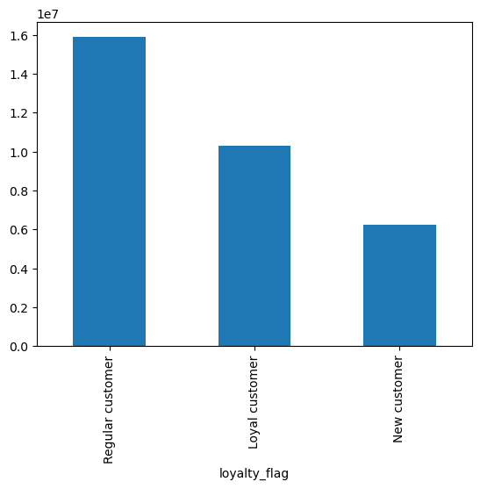

The marketing and sales teams are particularly interested in the different types of customers in their system and how their ordering behaviors differ. | To effectively target and capture the attention of potential customers, it's essential for the marketing and sales teams to consider different age groups. Notably, individuals aged 40 and above often possess greater financial resources, making them a lucrative demographic to concentrate marketing efforts on.

